Phoenix - November 2022
Expenses | Cost | Note | per person | What to bring | Quantity | Plan | -1270 | days until next trip
Flight ticket - Spirit | $510.36 | 5:55-8:22; 9:15-15:01 | $255.18 | Vest |  | 18 - 20 Nov | Budget | $500.00
Airbnb, free cancel by Nov 17 | $230.26 | https://www.airbnb.com/rooms/52922671?check_in=2022-11-18&check_out=2022-11-20&federated_search_id=d13dc65e-d521-47fb-ad53-eb4de4f79eb0&source_impression_id=p3_1663983175_ms1owr203YB%2F6b7q&guests=2&adults=2 | $115.13 |  |  | 2 nights | Over budget? | No
 |  |  | $0.00 |  |  | Nina&Cameron' wedding on 19 Nov
 |  |  | $0.00 |  |  | 4pm-8pm
 |  |  | $0.00 |  |  | N&C' house | https://www.google.com/maps/place/2138+E+Lawrence+Rd,+Phoenix,+AZ+85016/@33.5359855,-112.0396162,17z/data=!3m1!4b1!4m9!1m2!2m1!1s2138+East+Lawrence+Road+Phoenix,+AZ+8501!3m5!1s0x872b0d4d518800db:0xd1bb1212a583c7c4!8m2!3d33.5359856!4d-112.0351315!15sCigyMTM4IEVhc3QgTGF3cmVuY2UgUm9hZCBQaG9lbml4LCBBWiA4NTAxkgERY29tcG91bmRfYnVpbGRpbmfgAQA
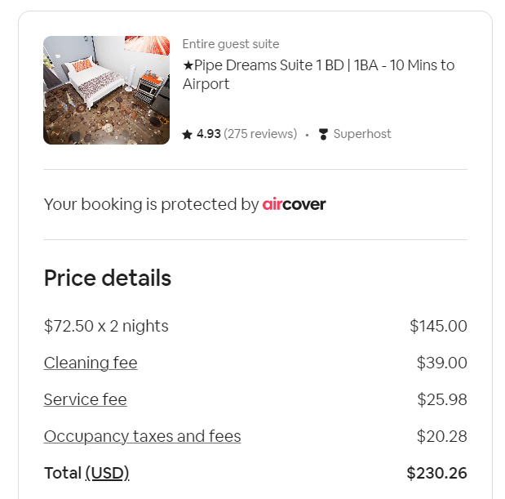
 |  |  | $0.00
 |  |  | $0.00
 |  |  | $0.00
 |  |  | $0.00
 |  |  | $0.00
Total |  |  | $370.31

Las Vegas - January 2023
Expenses | Cost | Note | per person | What to bring | Quantity | Plan | -1213 | days until next trip
Flight ticket - Delta | $674.40 | 14:46-18:15; 22:10-05:00 | $337.20 |  |  | 14 - 16 Jan
OYO standard one king | $281.54 | $197.64 plus $83.9 resort fee | $140.77 |  |  | 2 nights
 |  |  | $0.00 |  |  | Thanh&Kaden' wedding on 15 Jan
 |  |  | $0.00 |  |  | 3pm-7:30pm
 |  |  | $0.00 |  |  | Rainbow Garden | https://goo.gl/maps/wEu4XpRiySnQLZq1A
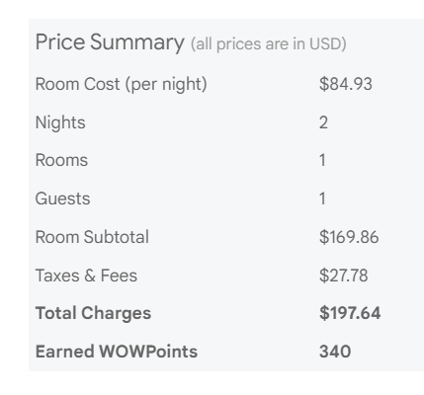
 |  |  | $0.00
 |  |  | $0.00
 |  |  | $0.00
 |  |  | $0.00
 |  |  | $0.00
Total |  |  | $477.97

Arizona - August 2024
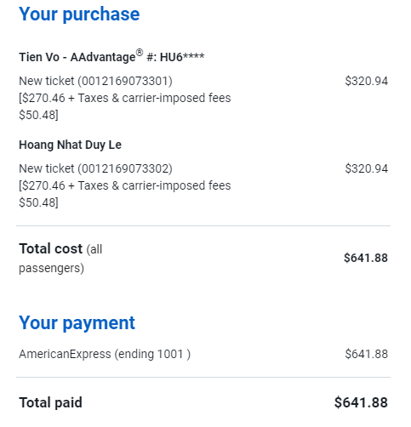
Expenses | Cost | Note | per person | Planning | Schedule | Day 1 | Day 2 | Day 3
AA flight tickets | $641.88 | $160 per person per night | $320.94 | 8/31 - 9/2 | Date | 8/31/24 | 9/1/24 | 9/2/24
 |  | 1 carry-on/passenger |  | -618 days until next trip |  | Sat | Sun | Mon
Turo car rental 2d | $252.60 | $42 per person per day | $126.30 |  | Main theme | Chi Na's baby | Grand Canyon | Local
 |  | $30 credit using Chase |  | 3 days 2 nights total | 7:00:00
Hyatt House Scottdale | $0.00 | $414 total without pts | $0.00 | 2 nights Hyatt (31/08-02/09) | 8:00:00
 |  | 1000pts equal $23 |  |  | 9:00:00 | Land PHX
Antelope Canyon tour | $154.00 | from 9:50a to 11:20a | $77.00 | 2 people total: Nhat & Tien | 10:00:00 | Qua c Nina an che, bo bia
 |  | add $8/person permit fee |  |  | 11:00:00
 |  |  |  | Must go: | 12:00:00 |  |  | Check out Hyatt
 |  |  |  | Grand Canyon | 13:00:00
 |  |  |  | Platform 18 | 14:00:00 | Pick up Turo |  | Drop off Turo
Total | $1,048.48 |  | $524.24 |  | 15:00:00
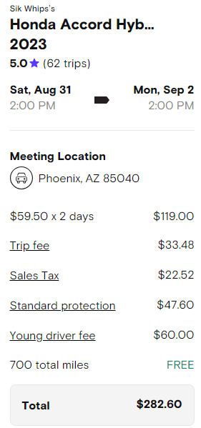
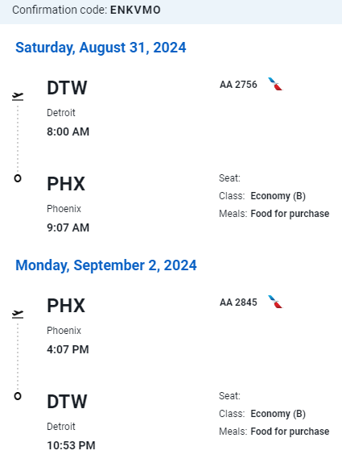
 |  |  |  | Must bring: | 16:00:00 | Check in Hyatt
 |  |  |  | CarPlay cable | 17:00:00
 |  |  |  | Portable fans | 18:00:00
 |  |  |  | Tripod | 19:00:00
 |  |  |  |  | 20:00:00
 |  |  |  |  | 21:00:00 |  | Platform 18
 |  |  |  |  | 22:00:00
 |  |  |  |  | 23:00:00

Chicago - December 2024
Expenses | Cost | Note | per person | Planning | Schedule | Day 1 | Day 2 | Day 3
Expedia hotel | $473.50 | $34 per person per night | $67.64 | 12/28 - 12/30 | Date | 12/28/24 | 12/29/24 | 12/30/24
CitiPass C3 | $728.00 |  | $104.00 | -499 days until next trip |  | Sat | Sun | Mon
 |  |  | $0.00 |  | Main theme | 360 | C3 | Local
 |  |  |  | 3 days 2 nights total | 7:00:00
 |  |  | $0.00 | Chicago South Loop (12/28 - 30) | 8:00:00 | Banh mi Ong Cuong | Breakfast at hotel | Check out
 |  |  |  |  | 9:00:00 | Driving -1hr time zone difference |  | Breakfast (optional)
 |  |  | $0.00 | 7 people total: Nhat & Tien | 10:00:00 |  | Griffin Museum anytime in day | Starbucks Roastery
 |  |  |  | Ba & Me & Chau, Nhi & Bao | 11:00:00 |  |  | Magnificent Mile shop: Uniqlo, etc.
 |  |  |  | Must go: Citipass C3 | 12:00:00
 |  |  |  | 360 | 13:00:00 | Arrive at The Bean, walk around park |  | Brunch at 3 Art club 1:45pm
 |  |  |  | Griffin | 14:00:00 |  | Lunch at Berghoff/ Deepdish
Total | $1,201.50 |  | $171.64 | River tour | 15:00:00 | Check in CSLHotel | 360 Deck 3:30pm | Heading back home - Toledo +1hr time zone difference
 |  |  |  | Must bring: | 16:00:00 | River tour 4:45pm
 |  |  |  |  | 17:00:00 |  | Back to hotel - shower
 |  |  |  | Scarves, Gloves, Sweater | 18:00:00 | Back to hotel - shower | Lincoln Zoo Lights 6:30pm
 |  |  |  | Tripod | 19:00:00 | Haidilao 7:30pm
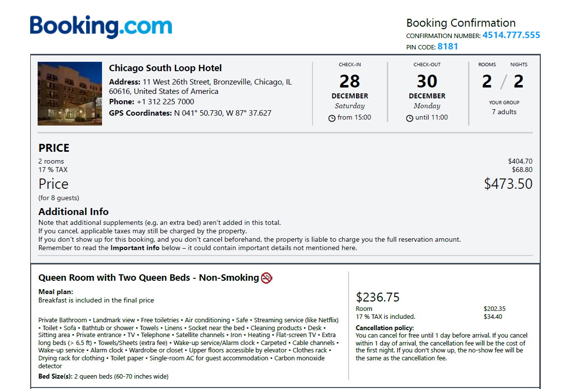
 |  |  |  | ID (driver license, passport) | 20:00:00 |  | Dinner at Cafe Hoang
 |  |  |  |  | 21:00:00
 |  |  |  |  | 22:00:00 | Bed time | Bedtime
 |  |  |  |  | 23:00:00

Orlando - January 2025
Expenses | Cost | Note | per person | Planning | Schedule | Day 1 | Day 2 | Day 3 | Day 4 | Day 5
Universal Islands of Adventure | $328.02 | Reserved for Sat 1/25 | $164.01 | 1/23 - 1/27 | Date | 1/23/2025 | 1/24/2025 | 1/25/2025 | 1/26/2025 | 1/27/2025
Disneyworld EPCOT | $370.62 | Reserved for Fri 1/24 | $185.31 | -473 days until next trip |  | Thursday | Friday | Saturday | Sunday | Monday
Frontier checked bag fee | $138.00 | 1 checked bag under TV | $69.00 |  | Main theme | Visit be Duyen | Disney EPCOT | Universal Hogsmeade | Local Tampa | Return
CapitalOne Frontier flight tickets | $15.94 |  | $7.97 | 5 days 4 nights total | 7:00:00
Frontier select seat | $49.00 |  | $24.50 | ` | 8:00:00
Airbnb | $253.00 | $31.63 | $126.50 |  | 9:00:00
 |  |  | $0.00 | 7 people total: Nhat & Tien | 10:00:00
 |  |  | $0.00 | Ba & Me & Chau, Nhi & Bao | 11:00:00
 |  |  | $0.00 | Must go: Citipass C3 | 12:00:00
 |  |  | $0.00 | 360 | 13:00:00
 |  |  | $0.00 | Griffin | 14:00:00
Total | $1,154.58 |  | $577.29 | River tour | 15:00:00
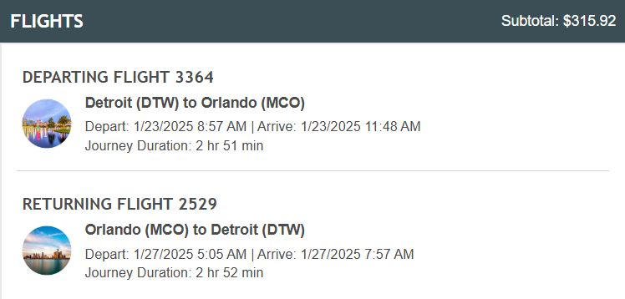
 |  |  |  | Must bring: | 16:00:00
 |  |  |  |  | 17:00:00
 |  |  |  | Scarves, Gloves, Sweater | 18:00:00
 |  |  |  | Tripod | 19:00:00
 |  |  |  | ID (driver license, passport) | 20:00:00
 |  |  |  |  | 21:00:00
 |  |  |  |  | 22:00:00
 |  |  |  |  | 23:00:00

 |  |  |  | Thanh's Notion Itinerary
 |  |  |  | https://www.notion.so/Florida-Travel-Planner-172b657107f080e18b1acf6f0f65b35c

Flight tickets booked via Capital One portal
Used $300 annual travel credit on CO
Paid only $15.94 for flight tickets
Price match next day (12/22) asked for $30 price difference
Received back $30 in CO travel credit available to use

Chicago - July 2025
Expenses | Cost | Note | per person | Planning | Schedule | Day 1 | Day 2 | Day 3 | Day 4
Chicago CityPass C3 | $432.00 |  | $108.00 | 7/17-7/20 | Date | 7/17/2025 | 7/18/2025 | 7/19/2025 | 7/20/2025
 |  |  | $0.00 | -298 days until next trip |  | Thursday | Friday | Saturday | Sunday
 |  |  | $0.00 | 4 days 3 nights total | Main theme | Chill in | BLACKPINK | Shopping | Vietnammm
 |  |  | $0.00 | 4 people total: Nhat & Tien | 7:00:00 | Driving……
 |  |  | $0.00 | Huy & Chinh | 8:00:00 |  |  | Starbucks
 |  |  | $0.00 |  | 9:00:00 |  | Shedd Aquarium | 360
 |  |  | $0.00 | Must go: Citipass C3 | 10:00:00 |  |  |  | Airbnb check-out
 |  |  | $0.00 | 360 | 11:00:00 |  |  | Harry Potter Shop
 |  |  | $0.00 | Art Institute of Chicago | 12:00:00 |  | Green Apple PHOever (dinner lun) | Star of Siam | Da Nang Kitchen
 |  |  | $0.00 | Shedd Aquarium | 13:00:00 |  |  |  | Nhu Lan sandwich
 |  |  | $0.00 | Uniqlo | 14:00:00 | MingHin +boba | Art Institute |  | DRIVINGGGGGGGGGGG
Total | $432.00 |  | $108.00 | Riverwalk | 15:00:00
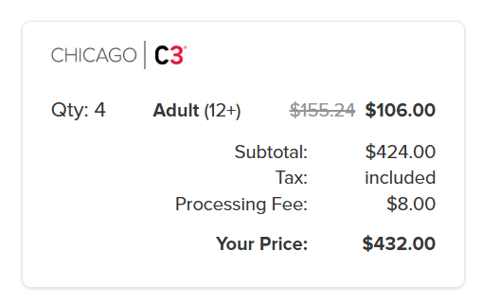
 |  |  |  | Harry Potter Shop | 16:00:00 | Airbnb check-in |  | SHOPPING (Millenium Park: Uniqlo, ...)
 |  |  |  | Gatsby Bar | 17:00:00 | nghỉ ngơi tắm rửa chơi game
 |  |  |  |  | 18:00:00 |  | Rail to Soldier Field BLACKPINK Concert
 |  |  |  | Must bring: | 19:00:00 |  |  | Haidilao +boba
 |  |  |  | Tripod | 20:00:00
 |  |  |  | ID (driver license, passport) | 21:00:00 |  |  | Riverwalk
 |  |  |  | projector & screen | 22:00:00 | Gatsby
 |  |  |  | Xbox (Huy) + extra controller (Nhat) | 23:00:00

Cincinnati - August 2025
Expenses | Cost | Note | per person | Planning | Schedule | Day 1 | Day 2
Hyatt Place Cincinnati | $0.00 | 2 Queens - 4 people | $0.00 | 8/31-9/1 | Date | 8/31/2025 | 9/1/2025
 |  |  |  | -253 days until next trip |  | Sunday | Monday
Maybe ??? ⬇️ |  |  |  | 2 days 1 night total | Main theme | GIRLS'T TRIPPP | Labor Day
American Sign Museum | $50.00 | Student discount | $10.00 | 5 people total: Tien, Huyen, Nhi | 8:00:00
Tokyo Kitty Karaoke | $50.00 | per hour, private room | $10.00 | Tran, Chau | 9:00:00 |  | Hotel check-out
 |  |  |  |  | 10:00:00 | Road Trip | Capital One Cafe Học nhóm (reserved)
Restaurants in purple ➡️ |  | Estimated budget |  | Suggested: Kenwood Mall | 11:00:00
Food |  |  | $50.00 | Capital One cafe | 12:00:00 |  | Kenwood Mall săn sale Labor Day thui (Madewell, Pop Mart)
Drinks |  |  | $20.00 | Jungle Jim's Intl' Market | 13:00:00 | Cafe Mochiko (ăn ramen, mua bánh ngọt tối xem fireworks)
Shopping |  | depends =)) | ? | Findlay Market | 14:00:00
Total | $100.00 |  | $90.00 | American Sign Museum | 15:00:00 | Findlay Market/ American Sign ($10) | Saigon Subs and Rolls (bmi cho a Nhật)
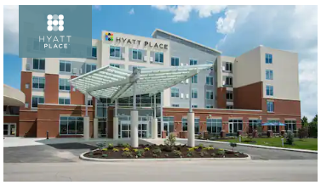
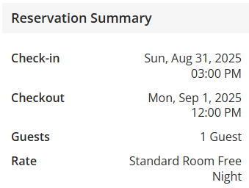
 |  |  |  |  | 16:00:00 | Hotel check-in | Driving back
 |  |  |  | Must bring: | 17:00:00 | Jungle Jim's
 |  |  |  | Tripod | 18:00:00 | Dolsot Bistro Tsaocha Boba
 |  |  |  | ID (driver license, passport, student) | 19:00:00
 |  |  |  | HDMI | 20:00:00 | Cincy Riverfest
 |  |  |  | Pepper spray | 21:00:00 | Fireworks sync
 |  |  |  | Cable USB-C & charger | 22:00:00 | Karaoke? ($10)
 |  |  |  | Laptop =) | 23:00:00 | Girl's timeee

Frankenmuth - December 2025
Expenses | Cost | Note | per person | Planning | Schedule | Day 1 | Day 2
Airbnb in Saginaw | $251.05 | 4 bedrooms | $41.84 | 12/26-27 | Date | 12/26/2025 | 12/27/2025
 |  |  | $0.00 | -135 days until next trip |  | Friday | Saturday
 |  |  | $0.00 | 2 days 1 nights total | Main theme | Discover | Tasting Experience
Total | $251.05 |  | $41.84 | 8 people total: Nhat & Tien | 7:00:00 | Wakeup | Makeup ;)
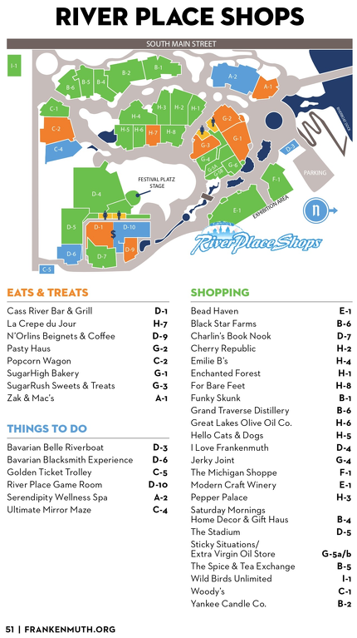
 |  |  |  | Quy, Binh, Han, Huyen | 8:00:00 | Let's goooo Frankenmuth Visitor Center: passport
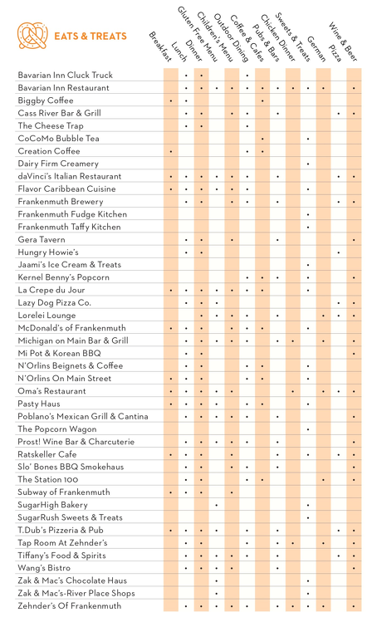
 |  |  |  | Phillip, Nhi | 9:00:00 |  | Airbnb check-out
 |  |  |  |  | 10:00:00 |  | Pasty Haus cafe
 |  |  |  | Must go: | 11:00:00 | River Place Shop | Bronner's twice ;)
 |  |  |  | Bronner’s Xmas Wonderland | 12:00:00 | La Crepe du Jour
 |  |  |  | Bavarian Inn Restaurant | 13:00:00 | Lunch
 |  |  |  | Stop & Snap Challenge | 14:00:00
 |  |  |  | Magical Tree Show | 15:00:00 | Frankenmuth Cheese Haus | Frank's Muth Popcorn tasting
 |  |  |  | Sticky Situations | 16:00:00 | Bronner's Christmas Wonderland
 |  |  |  |  | 17:00:00 |  | River Place Shop at night
 |  |  |  |  | 18:00:00
 |  |  |  | Must bring: | 19:00:00 | Dinner | Frankenmuth Ice Rink
 |  |  |  | Tripod | 20:00:00
 |  |  |  | ID (driver license, passport) | 21:00:00 | 8:30p Musical Tree Show & Xmas Light Tour | Dinner booked 8:30p Bavarian Inn
 |  |  |  | projector & screen | 22:00:00
 |  |  |  |  | 23:00:00 | Airbnb check-in | Heading home

